Standard Form
NWB Annual Report |  |  |  | Year being reported: |  |  | 2020

License No: | NWB 1BR-NUN1828 |  |  | Issued Date: |  | 2018-04-11
 |  |  |  | Expiry Date: |  | 2028-04-10

Nunatta Environmental Services Inc. "Landfarm"
 | Project Name:

Nunatta Environmental Services Inc. "NESI"
 | Licensee:

1575 Federal Road
P.O. Box 267, Iqaluit,
Nunavut
X0A 0H0
 | Mailing Address:

 | Name of Company filing Annual Report (if different from Name of Licensee please clarify relationship between the two entities, if applicable):

NESI owns and operates a Hydrocarbon Impacted Soil Landfarm on the outskirts of Iqaluit, Nu. Operations consists of accepting soils impacted with petroleum products at various concentrations at the geosynthetic lined platform and using indigenous soil microorganisms and unique soil farming practices break down compounds into, water, carbon and hydrogen sulphide.
General Background Information on the Project (*optional):

Licence Requirements: the licensee must provide the following information in accodance with

A summary report of water use and waste disposal activities, including, but not limited to: methods of obtaining water; sewage and greywater management; drill waste management; solid and hazardous waste management.
 | Water Source(s): |  | Rain and melt water. Hydrocarbon contaminated.
 | Water Quantity: |  |  |  | Quantity Allowable Domestic (cu.m)
 |  |  |  |  | Actual Quantity Used Domestic (cu.m)
 |  |  |  |  | Quantity Allowable Drilling (cu.m)
 |  |  |  |  | Total Quantity Used Drilling (cu.m)

 | Waste Management and/or Disposal

 |  |  | No water was released into the environment 2020
 | Additional Details:

A list of unauthorized discharges and a summary of follow-up actions taken.
 | Spill No.: |  |  | (as reported to the Spill Hot-line)
 | Date of Spill:
 | Date of Notification to an Inspector:
 | Additional Details: (impacts to water, mitigation measures, short/long term monitoring, etc)

Revisions to the Spill Contingency Plan

 | Additional Details: No revisions to the Spill Contingency plan

Revisions to the Abandonment and Restoration Plan

 | Additional Details: Abandonment and Restoration plan updated

Progressive Reclamation Work Undertaken
 | Additional Details (i.e., work completed and future works proposed)

Results of the Monitoring Program including:

 | The GPS Co-ordinates (in degrees, minutes and seconds of latitude and longitude) of each location where sources of water are utilized;

 | Additional Details: No water was drawn from source

 | The GPS Co-ordinates (in degrees, minutes and seconds of latitude and longitude) of each location where wastes associated with the licence are deposited;

 | Additional Details:

 | Results of any additional sampling and/or analysis that was requested by an Inspector

 | Additional Details: No requests by Inspector

Any other details on water use or waste disposal requested by the Board by November 1 of the year being reported.

 | Additional Details: No request by NWB

Any responses or follow-up actions on inspection/compliance reports

 | Additional Details: (Dates of Report, Follow-up by the Licensee)

Any additional comments or information for the Board to consider

Date Submitted: |  | 2020-01-01
Submitted/Prepared by: |  | James H. Wilson for Nunatta Environmental Services Inc.
Contact Information: |  | Tel: | 867-979-1488
 |  | Fax: | 867-979-1478
 |  | email: | jim@nunatta.ca

Map overview
Map Overview
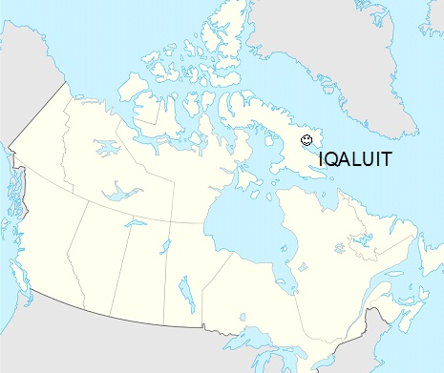

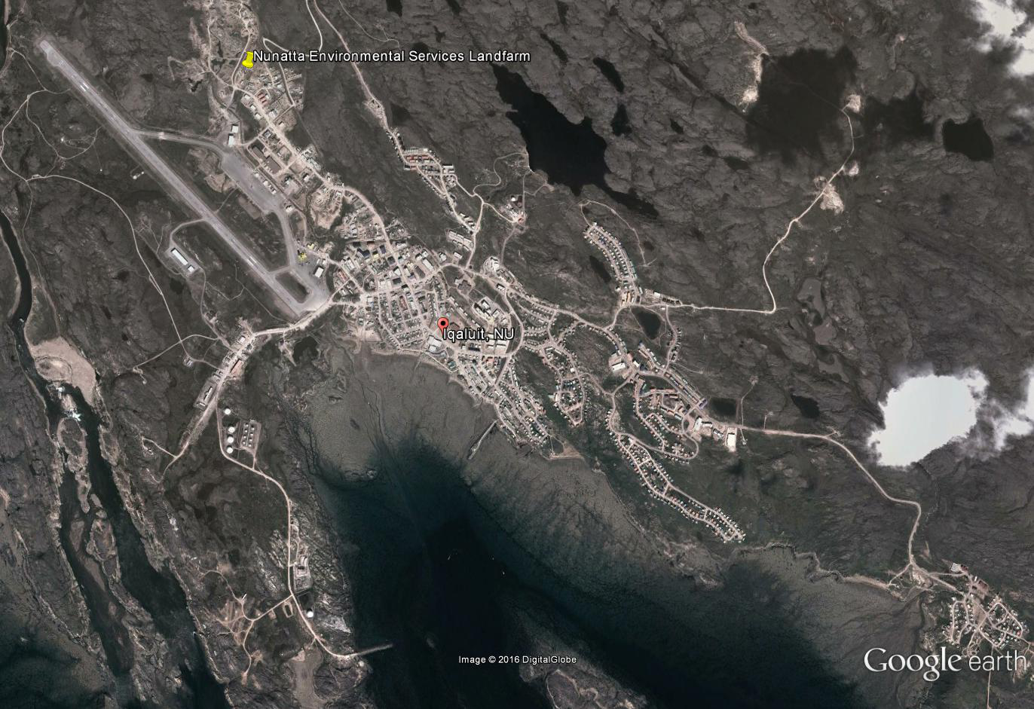

Landfarm
Landfarm
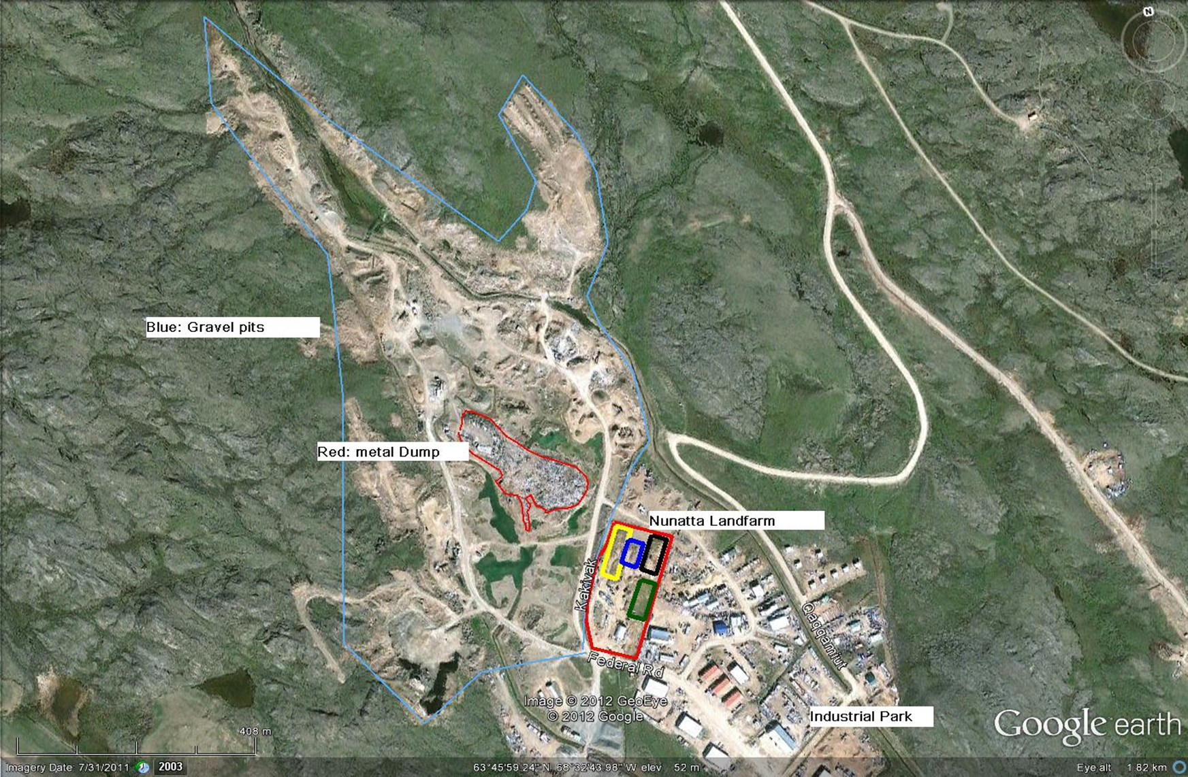

Landfarm Details
Landfarm Details

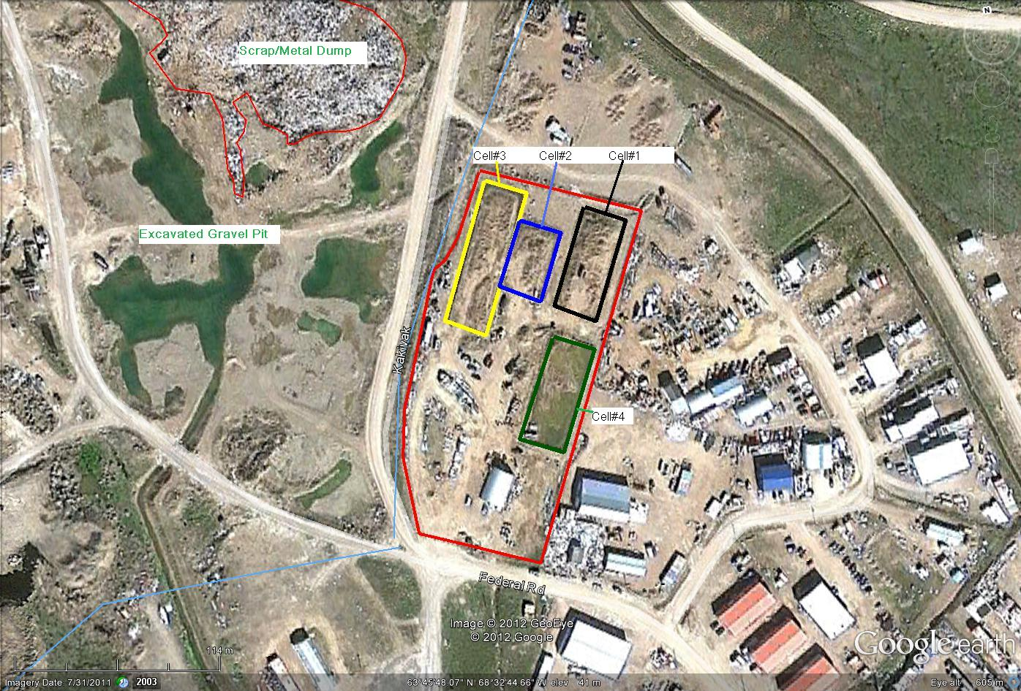

Monitoring well location
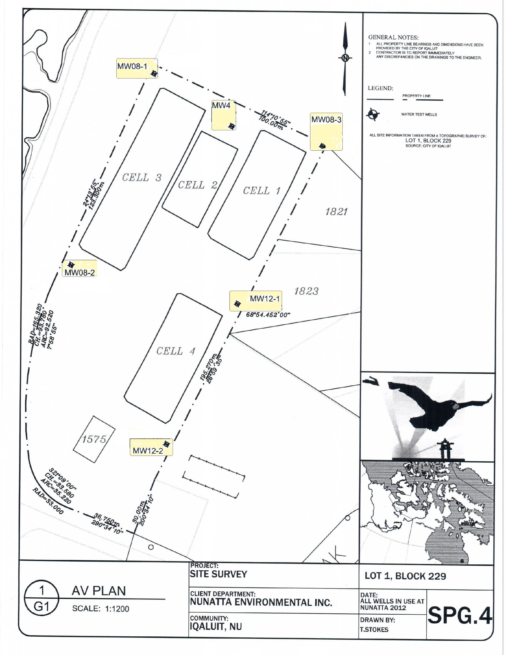
Monitoring Well Locations

CIRNA Inspection Report
Nunatta Landfarm CIRNA Inspection

