Summary
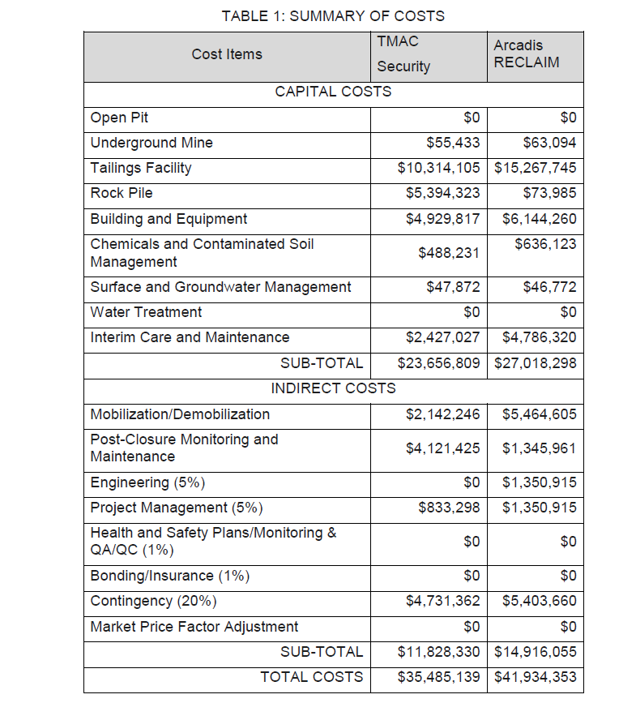
SUMMARY OF COSTS

CAPITAL COSTS | INAC COST (March 2018) |  | TMAC Cost (November 2017) | COST DIFFERENCE | Proposed Cost (April 2018) | PROPOSED COST DIFFERENCE | COMMENTS
OPEN PIT | $0 |  | $0 | $0 | $0 | $0 | Carry forward TMAC cost
UNDERGROUND MINE | $63,094 |  | $62,427 | $666 | $62,427 | $666 | Carry forward INAC cost. See sheet for details.
TAILINGS FACILITY | $15,267,745 |  | $15,266,954 | $791 | $15,266,954 | $791 | Carry forward TMAC cost
ROCK PILE | $73,985 |  | $71,969 | $2,015 | $71,969 | $2,015 | Carry forward TMAC cost
BUILDINGS AND EQUIPMENT | $6,144,260 |  | $5,317,823 | $826,437 | $5,344,932 | $799,327 | See Comments in Worksheet
CHEMICALS AND CONTAMINATED SOIL MANAGEMENT | $636,123 |  | $465,745 | $170,378 | $473,245 | $162,878 | See Comments in Worksheet
SURFACE AND GROUNDWATER MANAGEMENT | $46,772 |  | $43,717 | $3,055 | $43,717 | $3,055 | Carry forward TMAC cost
INTERIM CARE AND MAINTENANCE | $4,786,320 |  | $2,427,027 | $2,359,293 | $2,429,277 | $2,357,043 | Carry forward TMAC cost plus an annual communications fee. INAC estimate increased length of ICM period
Incorrectly included task |  |  | $1,145 | -$1,145 | $0 | $0 | TMAC incorrectly included Madrid cost (Patch Lake regrading) in Boston estimate
 | $27,018,298 |  | $23,656,809 | $3,361,490 | $23,692,523 | $3,325,775

INDIRECT COSTS | COST |  | TMAC Cost (November 2017) | COST DIFFERENCE | Proposed Cost (April 2018) |  | COMMENTS
MOBILIZATION/DEMOBILIZATION | $5,464,605 |  | $5,138,110 | $326,495 | $5,138,110 | $326,495 | Carry forward TMAC cost. Worker travel time already accounted for in worker unit rate.
POST-CLOSURE MONITORING AND MAINTENANCE | $1,345,961 |  | $1,125,561 | $220,399 | $1,125,561 | $220,399 | Carry forward TMAC cost.
ENGINEERING | $1,350,915 |  | $0 | $1,350,915 | $1,184,626 | $166,289 | Omitted in TMAC estimate, carry forward Engineering cost at 5% of direct costs.
PROJECT MANAGEMENT | $1,350,915 |  | $833,298 | $517,617 | $833,298 | $517,617 | Carry forward TMAC cost.
HEALTH AND SAFETY PLANS/MONITORING & QA/QC | $0 |  | $0 | $0 | $0 | $0
BONDING/INSURANCE | $0 |  | $0 | $0 | $0 | $0
CONTINGENCY | $5,403,660 |  | $4,731,362 | $672,298 | $4,738,505 | $665,155 | Carry forward 20% of direct costs
MARKET PRICE FACTOR ADJUSTMENT | $0 |  | $0 | $0 |  | $0
 | $14,916,055 |  | $11,828,330 | $3,087,725 | $13,020,099 | $1,895,956

TOTAL COSTS | $41,934,353 |  | $35,485,139 | $6,449,214 | $36,712,622 | $5,221,731

 | $27,018,298 |  | $23,656,809
 | $0.15 | $0.00 | $0

 | $14,916,055 |  | $11,828,330
 | $0.11 | $0.00 | $0.30

Y:\1CT022.022_2018 FEIS Post-Submission Support\Cost Estimates\[702774-000 Hope Bay P2 Boston RECLAIM_MODEL_VER_2_Mar_27_2018_Comparision_20180426.xlsx]Water Management

