Sheet1
Community Inspection Report Card
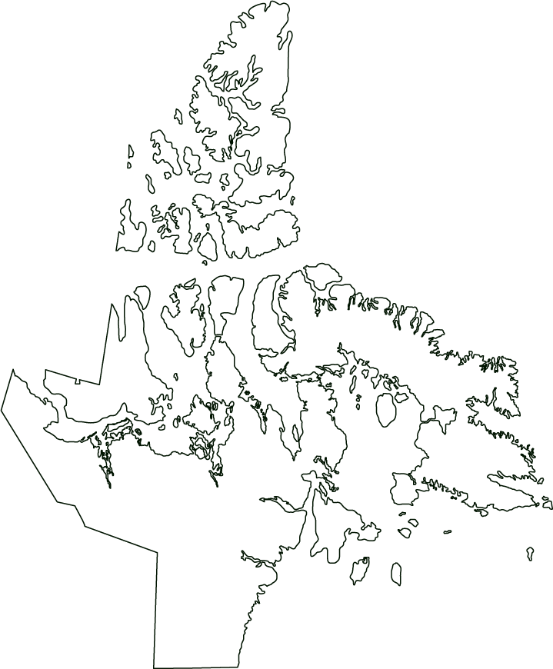

 | Day | Month |  | Year |  |  |  |  | This report must be completed every month and submitted to your CGS Regional Office
Date:

Hamlet: |  |  |  |  |  |  |  |  | Baffin Region PO Box 330 Cape Dorset, NU X0A 0C0 |  | Kivalliq Region PO Box 490 Rankin Inlet, NU X0C 0G0 |  | Kitikmeot Region Bag 200; CGS Cambridge Bay, NU X0B 0C0

1. FRESHWATER

 |  |  |  |  | Status |  | Comments |  |  |  |  | CGS Internal Use Only
a. Signage
b. Intake condition
c. Heat Trace working - inspection
d. Type of Chlorine Used
e. Chorine Storage Facility
f. Chlorine tank
g. daily chlorine free 0.02 + 0.05 mg
h. daily chlorine total above free readings
g. Chlorine feed pump
h. Weekly log sheet
i. Chemical analysis
j. Turbidity limit
k. Operations & Maintenance manual
l. Fuel tank for generator & heating
m. Generator
n. Spare parts for Heat trace, water pump & chlorine pump
o. Water Samples for Bacteria Testing
p. Freshwater Sample Reports on hand

2. WASTEWATER

 |  |  |  |  | Status |  | Comments |  |  |  |  | CGS Internal Use Only
a. Signage
b. Dumping Chute
c. Berm Stability
d. Seepage
e. Free Board
f. Effluent Sample taken and sent to the lab
g. Effluent Results sent to AANDC and NWB
h. Spills reported promptly and accurately
f. Decanting Notice Provided
i. Spill Cleanup reported to the NWB
j. Cleanup report to AANDC?
k. Operations & Maintenance manual

3. WASTE MANAGEMENT

 |  |  |  |  | Status |  | Comments |  |  |  |  | CGS Internal Use Only
a. Segregation
b. Domestic Waste Area
c. Battery Storage Area
d. Hazardous Waste Area
e. Separate Bulky Materials Area
f. Fencing

4. RECORD KEEPING / HOUSEKEEPING

 |  |  |  |  | Status |  | Comments |  |  |  |  | CGS Internal Use Only
a. Water License Posted?
b. MSDS Book Current & Up-To-Date?
c. First Aid Kit Current & Up-To-Date?
d. Spill Kit Current & Up-To-Date?
e. Eye Cleaning Station
f. Eye Protection Present and In Use?
g. Sampling Gloves
h. Safety Helmets In Use
i. Steel-Toed Boots In Use
j. Weekly Log Sheet (one years log sheets)
k. Annual Report Present
l. Spill Report Present
m. Spill Clean-up Record is Present
n. GPS (for Monitoring Stations)
o. Signs Present at Monitoring Station
p. Ground Water at Monitoring Station
q. Temperature Validation Report
r. HACH KIT for Chlorine Testing
s. HACH KIT for Turbidity Testing
t. GPS Set
u. Working Thermomater

5. WATER LICENSE
 |  |  |  |  |  |  |  | Current License Expiry Date
 |  |  |  |  |  |  |  | Day | Month |  | Year
 | 1Nunavut Water Board -> (867) 360-6338
 | 2 Spill Line -> (867) 123-4567

 |  | a. Water Consumption (in Litres) |  |  |  | b. Monthly Effluent Discharged (plus / minus 10%) |  |  |  |  | Comments
January
February
March
April
May
June
July
August
September
October
November
December

Annual Total |  | 0 |  |  |  | 0

 |  | c. Effluent Samples sent the lab
 |  |  |  | june |  | july |  | august |  | september |  | Comments
 | GJO 1
 | GJO 2
 | GJO 3
 | GJO 5

 |  | d. Effluent lab results sent to NWB:
 |  |  |  | june |  | july |  | august |  | september |  | Comments
 | GJO 1
 | GJO 2
 | GJO 3
 | GJO 4

 |  |  |  |  |  |  |  |  | Yes |  |  | No
c. All Spills Reported to the NWB1 or the Spill Line2
d. Follow-Up Spill Reports submitted to the NWB within 90 days

Name of GN Officer: |  |  |  |  |  |  | Name of Hamlet Staff:

Designation: |  |  |  |  |  |  | Designation:

 |  |  | Day | Month |  | Year |  |  |  | Day | Month |  | Year
 | Date: |  |  |  |  |  |  | Date:

