Sheet1
Community Inspection Report Card
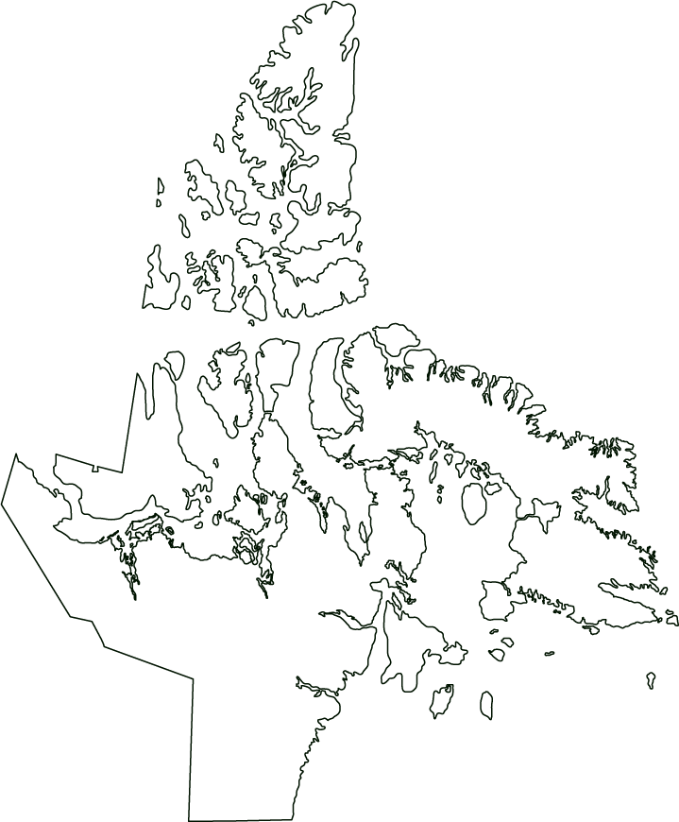

 | Day | Month |  | Year |  |  | This report must be completed every month and submitted to your CGS Regional Office
Date:

Hamlet:

1. Water Truck Fill Station

 |  |  |  |  | Status |  |  |  | CGS Internal Use Only
a. Signage: Facility
b. Signage: Monitoring stations
c. Intake condition
d. Heat Trace working - inspection
e. Type of Chlorine Used
f. Chorine Storage Facility
g. Chlorine tank
h. Daily chlorine free 0.20 mg/L to 0.50 mg/L
i. Daily chlorine total above free readings
j. Chlorine feed pump
k. Weekly log sheet
l. Chemical analysis
m. Turbidity limit (NTU)
n. Operation & Maintenance manual on site
o. Fuel tank for generator & heating
p. Generator
q. Spare parts for Heat trace, water pump & chlorine pump
r. Water Samples for Bacteria Testing
s.Water samles of Raw water for Chemical analysis

2. WASTEWATER

a. Signage: Facility |  |  |  |  | Status |  |  |  | CGS Internal Use Only
b. Signage: Monitoring stations
c. Dumping Chute
d. Free Board maintained
e. Effluent Sample taken and sent to the lab
f. Spills reported promptly and accurately
g. Decanting notice provided
h. Spill Cleanup reported to the NWB
i. Cleanup report to AANDC?
j. Operation & Maintenance manual
3. WASTE MANAGEMENT

 |  |  |  |  | Status |  |  |  | CGS Internal Use Only
a. Signage: Facility
b. Signage: Monitoring stations
c. Segregation
d. Domestic Waste Area
e. Battery Storage Area
f. Hazardous Waste Area
g. Separate Bulky Materials Area
h. Fencing

4. RECORD KEEPING / HOUSEKEEPING

 |  |  |  |  | Status |  |  |  | CGS Internal Use Only
a. Water License Posted?
b. MSDS Book Current & Up-To-Date?
c. First Aid Kit Current & Up-To-Date?
d. Spill Kit Current & Up-To-Date?
e. Eye Cleaning Station
f. Eye Protection Present and In Use?
g. Sampling Gloves
h. Safety Helmets In Use
i. Steel-Toed Boots In Use
j. Weekly Log Sheet (one years log sheets)
k. Annual Report Present
l. Spill Report Present
m. Spill Clean-up Record is Present
n. GPS (for Monitoring Stations)
o. Signs Present at Monitoring Station
p. Ground Water at Monitoring Station
q. Temperature Validation Report
r. HACH KIT for Chlorine Testing
s. HACH KIT for Turbidity Testing
t. GPS Set
u. Working Thermomater

5. WATER LICENCE
 |  |  |  |  |  | Current License Expiry Date
 |  |  |  |  |  | Day | Month
 | 1Nunavut Water Board -> (867) 360-6338
 | 2 Spill Line -> (867) 123-4567

 |  | a. Water Consumption (in Litres)
January
February
March
April
May
June
July
August
September
October
November
December

Annual Total

 |  | c. Water , Waste water effluent and Leachate samples sent to the lab
 | Stations |  |  | June |  | August |  | September | Comments

 |  |  |  |  |  |  |  |  | Comments

 |  |  |  |  |  |  | Yes |  | No
c. All Spills Reported to the AANDC and the Spill Hot Line2
d. Follow-Up Spill Reports submitted to the AANDC within 30 days

GEOTECHNICAL INVESTIGATION TO THE DYKES:

Observation: |  | FAIR, GOOD, EXCELLENT

Dyke for Water Reservoir:

Top Width: |  | Inner slope: |  | Outer slope: | Physical seepage: |  |  | Water level: | Stability:

Dyke for Sewage Lagoon:

Top width: |  | Inner Slope: |  | Outer slope: | Physical seepage: |  |  | Water level: | Stability:

Dyke for Landfarm:

Top width: |  | Inner slope: |  | Outer slope: | Physical seepage: |  |  |  | Stability:

Dyke for landfill site:

Top width: |  | Inner slope: |  | Outer slope: | Physical seepage: |  |  |  | Stability:

Inspection details:

Name of GN Officer:

Designation:

Signature |  |  | Day | Month |  |  |  | Day

